Slider Charts
City wise Total Restaurant
 | Total
New Delhi | 5473
Gurgaon | 1118
Noida | 1080
Faridabad | 251
Ghaziabad | 25
Bhubaneshwar | 21
Lucknow | 21
Ahmedabad | 21
Amritsar | 21
Guwahati | 21
Varanasi | 20
Pocatello | 20
Mysore | 20
Bangalore | 20
Sharjah | 20
Bhopal | 20
Macon | 20
Albany | 20
Augusta | 20
Birmingham | 20
Ranchi | 20
Boise | 20
S恚o Paulo | 20
Bras韄lia | 20
Athens | 20
Cape Town | 20
Mangalore | 20
Cedar Rapids/Iowa City | 20
Nashik | 20
Chennai | 20
Patna | 20
Coimbatore | 20
Puducherry | 20
Colombo | 20
Rio de Janeiro | 20
Columbus | 20
Sioux City | 20
Dalton | 20
Vadodara | 20
Davenport | 20
London | 20
Dehradun | 20
Abu Dhabi | 20
Des Moines | 20
Manchester | 20
Doha | 20
Mumbai | 20
Dubai | 20
Nagpur | 20
Dubuque | 20
...
City wise Average Cost for Two
 | Total
Jakarta | 308438
Tangerang | 250000
Bogor | 160000
Bandung | 150000
Pasay City | 3333
Colombo | 2375
Panchkula | 2000
Mandaluyong City | 2000
Taguig City | 1725
Hyderabad | 1361
Pune | 1338
Jaipur | 1310
Kolkata | 1273
Bangalore | 1233
Tagaytay City | 1200
Goa | 1175
Ludhiana | 1160
Makati City | 1150
Inner City | 1120
Chennai | 1085
Mumbai | 1073
Chandigarh | 1072
Agra | 1065
Indore | 960
Pasig City | 933
Kanpur | 915
Lucknow | 860
Ahmedabad | 857
San Juan City | 850
Puducherry | 843
Santa Rosa | 825
Secunderabad | 825
Guwahati | 821
Vadodara | 820
Mysore | 815
Surat | 813
Quezon City | 800
Patna | 798
Coimbatore | 783
Mangalore | 783
Vizag | 780
Ranchi | 735
Kochi | 730
Dehradun | 728
Nagpur | 715
Gurgaon | 714
Bhubaneshwar | 679
Nashik | 663
Aurangabad | 623
Bhopal | 620
...
City wise Average Votes
 | Total
Bangalore | 2806
Kolkata | 2230
Mumbai | 1485
Chennai | 1385
Tampa Bay | 1370
Hyderabad | 1341
Orlando | 1199
Tangerang | 1184
Pune | 1037
Bogor | 971
Secunderabad | 951
Dubai | 935
哿stanbul | 860
Pensacola | 845
Panchkula | 843
Lincoln | 799
Savannah | 769
Goa | 755
Rest of Hawaii | 753
Jakarta | 743
Pasig City | 697
Athens | 638
Randburg | 618
Johannesburg | 618
Pasay City | 606
Ahmedabad | 584
Chandigarh | 575
Des Moines | 555
Jaipur | 552
Princeton | 542
Boise | 519
Sandton | 492
Makati City | 453
London | 436
Lucknow | 435
Taguig City | 416
Augusta | 395
Palm Cove | 381
Kochi | 360
Phillip Island | 351
Puducherry | 342
San Juan City | 341
Auckland | 340
Tanunda | 339
Cedar Rapids/Iowa City | 332
Inner City | 318
Abu Dhabi | 302
Mandaluyong City | 300
Quezon City | 294
Cape Town | 271
...

Top 3 Dashboard
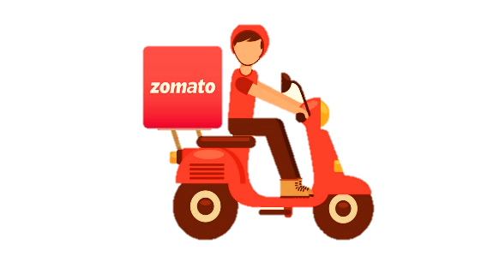
CITY WISE
|DATA ANALYSIS
Restaurants

TOP 3
9551

Top 3 Cuisines based on Total Restro
 | Total
North Indian | 2992
Chinese | 855
Fast Food | 672
Top 3 Localities based on Votings
 | Total
Azad Nagar | 5145
Koramangala 5th Block | 5109
Park Street Area | 4770
Top 3 Cities based on Votings
 | Total
Bangalore | 2806
Kolkata | 2230
Mumbai | 1485

Top 3 Cuisines based on Votings
 | Total
Pub Food | 1998
Sunda | 1838
Cuban | 1746
Top 3 Restaurant based on Votings
 | Total
Toit | 10934
Hauz Khas Social | 7931
Peter Cat | 7574
Top 3 Cities based on Total Restro
 | Total
New Delhi | 5473
Gurgaon | 1118
Noida | 1080

